Project3244
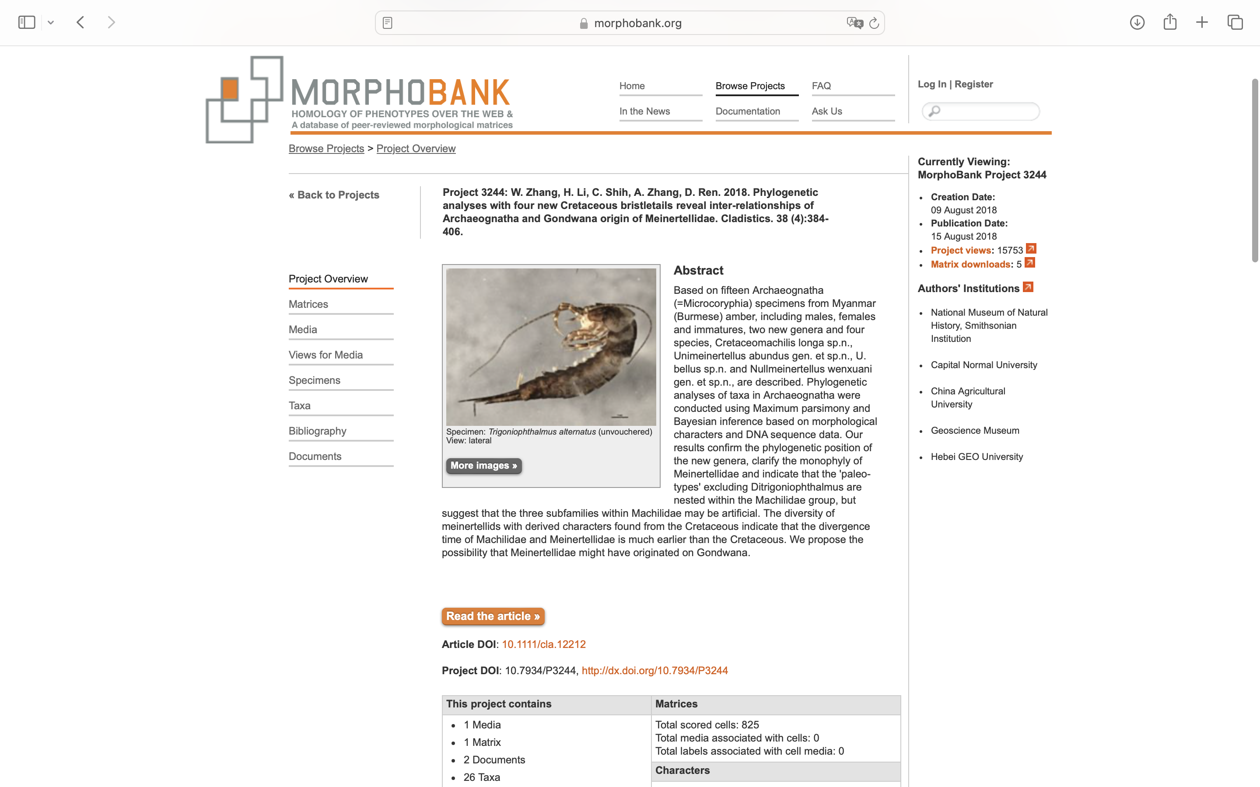
Charlabels | Character Pattern | Unseen States
[1] 'Body' | Neomorphic | NO
[2] 'Scales on antenna' | NN;0=11;1=01;2=00
[3] 'Scales on maxillary and labial palps, legs and styli' | Neomorphic | NO
[4] 'Antennae' | Transformational | YES
[5] 'Compound eyes' | Neomorphic | NO
[6] 'Two compound eyes' | Transformational | YES
[7] 'Eyes shape' | Transformational | YES
[8] 'Lateral ocelli' | Neomorphic | NO
[9] 'Ocelli shape, and position corresponding to eyes' | Transformational | YES
[10] 'Mouthparts' | Transformational | YES
[11] 'Maxillary palp' | Neomorphic | NO
[12] 'Longitudinal projection (processus basalis)' | Neomorphic | NO
[13] 'Hook-like projection' | Neomorphic | NO
[14] 'The first segment of maxillary palps' | NT?;0=0-;1=11;2=12
[15] 'Distal segment of labial palp' | Transformational | YES
[16] 'Mandibule' | Transformational | YES
[17] 'Thorax' | Transformational | YES
[18] 'Forefemur of male' | Transformational | NO
[19] 'Coxal stylet' | NT?;0=11;1=12;2=0-
[20] 'Tarsi' | Transformational | YES
[21] 'Tarsi - 2' | Transformational | YES
[22] 'Abdominal sternite' | Transformational | YES
[23] 'Abdominal stylet' | NT?;0=0-;1=11;2=12
[24] 'Abdominal stylet - 2' | Transformational | NO
[25] 'Eversible vesicle' | Transformational | YES
[26] 'Lateral cerci' | Neomorphic | NO
[27] 'Ovipositor' | Transformational | NO
[28] 'Ovipositor type' | Transformational | YES
[29] 'Gonapophysis VIII and IX' | Transformational | YES
[30] 'Penis' | Transformational | YES
[31] 'Penis aperture' | Transformational | YES
[32] 'Paramere' | Transformational | YES
[33] 'Paramera IX' | Transformational | YES
[34] 'Paramera IX - 2' | Transformational | YES

